Age Analysis
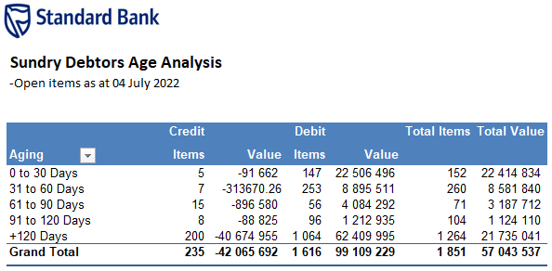

Sundry Debtors Age Analysis
-Open items as at 11 July 2022

 | Credit |  | Debit |  | Total Items | Total Value
Aging | Items | Value | Items | Value
0 to 30 Days | 7 | -94,007 | 228 | 46,483,026 | 235 | 46,389,019
31 to 60 Days | 6 | -287226.76 | 160 | 10,685,495 | 166 | 10,398,268
61 to 90 Days | 12 | -637,433 | 143 | 4,468,620 | 155 | 3,831,187
91 to 120 Days | 12 | -374,416 | 90 | 1,182,380 | 102 | 807,964
+120 Days | 200 | -40,674,955 | 1,072 | 62,501,030 | 1,272 | 21,826,076
Grand Total | 237 | -42,068,037 | 1,693 | 125,320,551 | 1,930 | 83,252,514

